Data
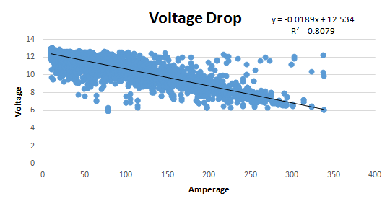
 |  | Free Speed (RPM) | Stall Torque (N-m) | Stall Current (Amp) | Free Current (Amp) | Power (W)
 | CIM | 5330 | 2.41 | 131.00 | 2.70 | 336.29
 | Mini CIM | 5840 | 1.41 | 89.00 | 3.00 | 215.58
 | 775pro | 18730 | 0.71 | 134.00 | 0.70 | 348.15
 | BAG Motor | 13180 | 0.43 | 53.00 | 1.80 | 148.37
 | AM 775 | 5800 | 0.28 | 18.00 | 1.60 | 42.52
 | AM 9015 | 14270 | 0.36 | 71 | 3.7 | 134.49
 | BB RS-550-12 | 19000 | 0.38 | 84 | 0.4 | 190.00
 | BB RS-775-18 | 13050 | 0.72 | 97.00 | 2.70 | 245.99

 |  | 4 |  | 1
 |  | 6 |  | 2

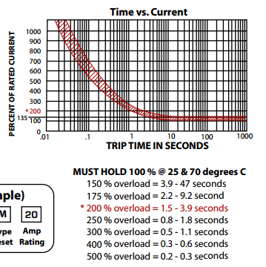
100% | 40 | Min | Max
 | Amps | Min Sec | Max Sec
150% | 60 | 3.9 | 47
175% | 70 | 2.2 | 9.2
200% | 80 | 1.5 | 3.9
250% | 100 | 0.8 | 1.8
300% | 120 | 0.5 | 1.1
400% | 160 | 0.3 | 0.6
500% | 200 | 0.2 | 0.3

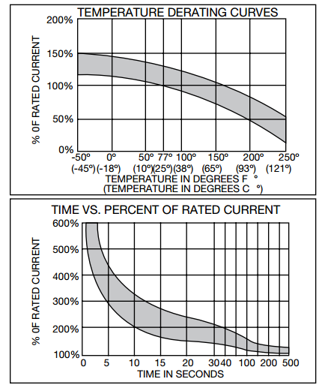

100% | 120 | Min | Max
 | Amps | Min Sec | Max Sec
150% | 180 | 20 | 150
175% | 210 | 15 | 75
200% | 240 | 10 | 38
250% | 300 | 7 | 18
300% | 360 | 4 | 12
400% | 480 | 2 | 6
500% | 600 | 1 | 3

